Title page
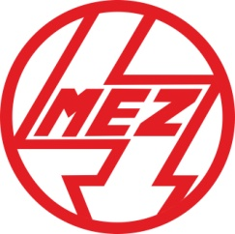

 | MEZ ELECTRIC MOTORS

 | Selected Motors Prices

 |  |  | Please ask for your Discount & put it here: | 30.0%

 |  | May 2022

The Electric Motors listed on this page represent just the standard
stock motor offering available Ex Stock. It does not include
MEZ motors which are available on factory lead time such as
small frame sizes in Cast Iron frames or large motors.

 |  | www.vanhoucke.co.uk
 |  | info@vanhoucke.co.uk

